PWM by Engineer's Asylum
PWM for RC Servos

 |  |  | Values to be modified

 |  |  |  | Value | Unit |  | Servo's datasheet information
 | Servo Control Signal Frecuency |  |  | 50 | Hz
 |  | Signal Period |  | 20.00 | ms |  |  | Value
 | Servo neutral position value |  |  | 0.5 | ms | 0 deg | Minimal pulse width | 0.5 | ms
 |  |  |  |  |  |  | Maximal pulse width | 2.4 | ms
 |  | Angle (Deg) | High time (ms) | Low Time (ms) |  |  | Pulse range | 1.9 | ms
 |  | 0 | 0.5000 | 19.5000 |  |  | Pulse width per degree | 0.0105 | ms/deg
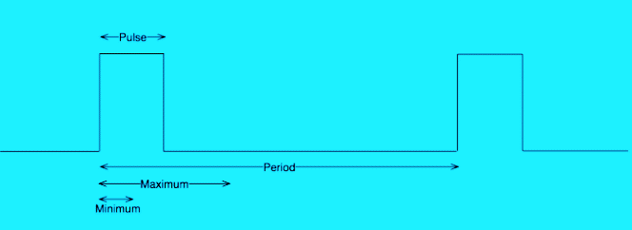
 |  | 90 | 1.4448 | 18.5552

 |  | 180 | 2.3895 | 17.6105

 |  | Other (select) | High time(ms) | Low Time(ms)
 |  | 30 | 0.815 | 19.185
 |  | 30 | Values higher than 180º
 |  |  | will damage your servo
Please, check your angle value if you see a red number in the upper cell
Check your servo's specifications before using this spreadheet

